Abstract
Analyzing FIFA World Cup Champions
1- FIFA World Cup is one of the biggest sports events in the world, it attracts millions of attendees and viewers when it occurs every 4 years.
2- With many eyes on the event, there are bound to be some deep analysis and theories surrounding it and the teams involved, and one of these theories is the Champion's curse which suggests that teams that win the world cup, get kicked out of the next World Cup very early in its stages.
3- This research attempts to look into this problem by analyzing World Cup winners’ performance during the World Cup they win, and the matches after.
4- By analyzing their performance, we find out if this "curse" does exist or teams do indeed try their best.
5- We begin by comparing teams' performance in the World Cup they win, and the matches they have in the next 4 years before the next World Cup Championship, we do so by comparing a new variable of score difference that sums the number of goals they scored, and goals they allowed in their own net.
6- Next, we attempt to find out if international matches in any tournament other than FIFA World Cup would be a good predictor of team's performance in the World Cup using linear regression models.
7- Finally, we look into other factors in a football match that may have any impact on team's performance such as the referee supervising the match, the tournament the team participating in, and the stage they are at in the World Cup.
8- We found that teams do maintain their performance that allowed them to win the World Cup in international matches, however their performance there is not a good predictor of World Cup matches. Additionally, we found that there are other factors that have an impact on teams' performance such as tournaments.
9- This research is limited by the absence of many other variables that could contribute to a team's performance, future research could potentially find a better metric to measure team's performance and predictor for World Cup matches.

Analysis & Graphs
Research Question 1 Tests
 |  |  |  |  |  |  |  | Correlation Coeffecient Tests
 |  | T.TESTS of Teams' Number of Matches Against Each Other (International) |  |  |  |  |  | Brazil Goals vs. Win Rate Correlation Coefficient Test |  |  |  | 0.622556311
 |  |  | Brazil | France | Germany | Italy | Spain | France (Overall) Goals vs. Win Rate Correlation Coefficient Test |  |  |  | 0.12985593982
 |  | Brazil | 1 | 0.093864466611 | 0.82792599001 | 0.91538625215 | 0.67388936749 | France (1998-2002) Goals vs. Win Rate Correlation Coefficient Test |  |  |  | 0.72469137307
 |  | France |  | 1 | 0.05194051126 | 0.090133744793 | 0.24495392325 | France (2018-2020) Goals vs. Win Rate Correlation Coefficient Test |  |  |  | 0.07381732442
 |  | Germany |  |  | 1 | 0.71744417984 | 0.52986521555 | Germany Goals vs. Win Rate Correlation Coefficient Test |  |  |  | 0.77312475347
 |  | Italy |  |  |  | 1 | 0.72100731142 | Italy Goals vs. Win Rate Correlation Coefficient Test |  |  |  | 0.74715050795
 |  | Spain |  |  |  |  | 1 | Spain Goals vs. Win Rate Correlation Coefficient Test |  |  |  | -0.80968938812
 |  |  |  |  |  |  |  |  |  |  | STDEV | 0.57965330684
 |  |  |  |  |  |  |  |  |  |  | Variance | 0.33599795613
 |  | Win Rate vs. Goals Graphs

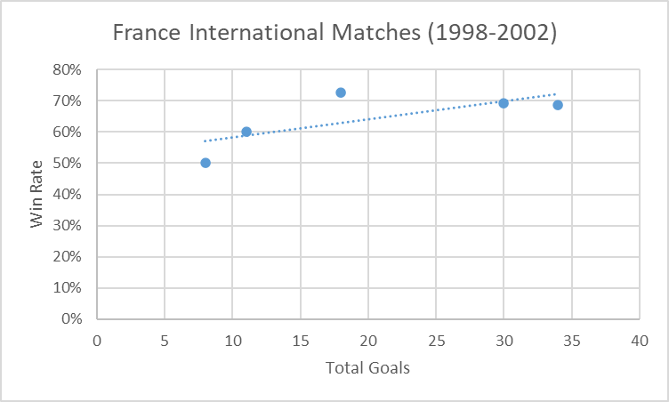
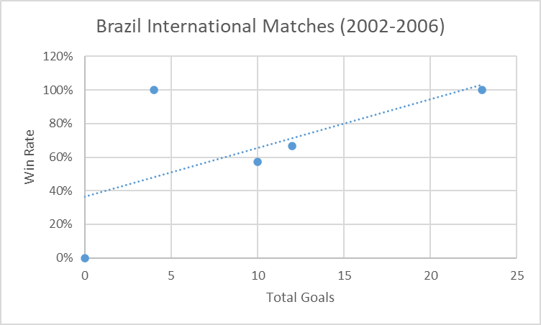
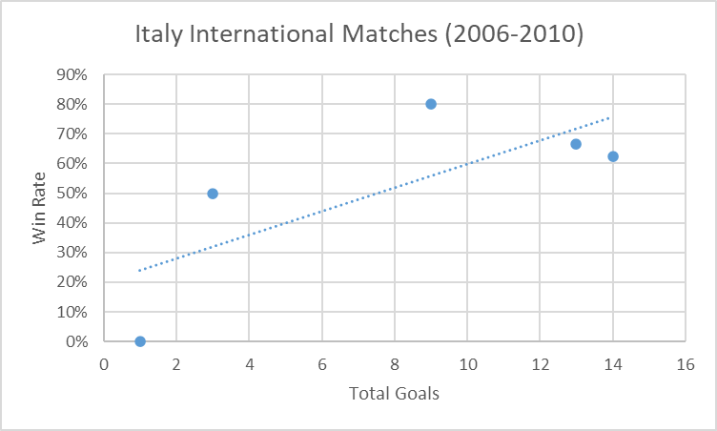

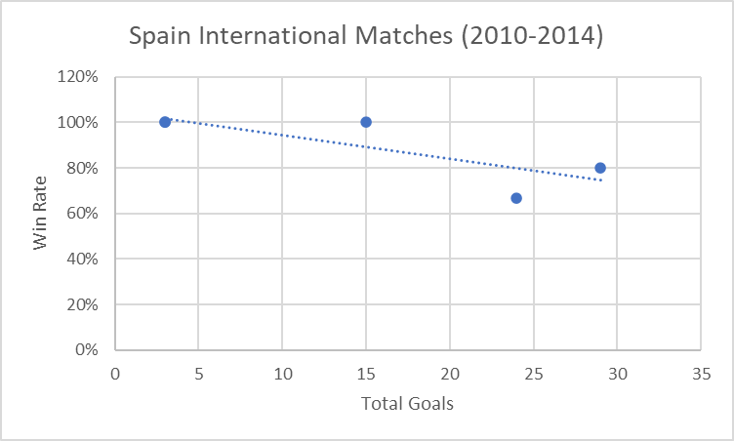
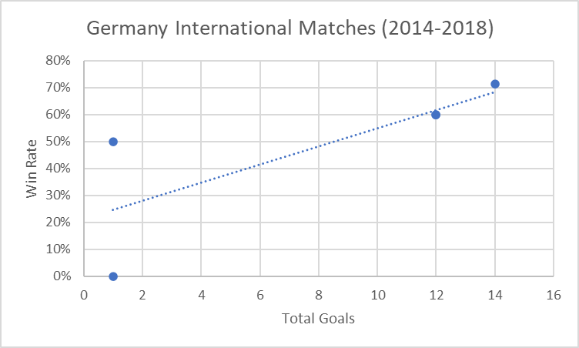
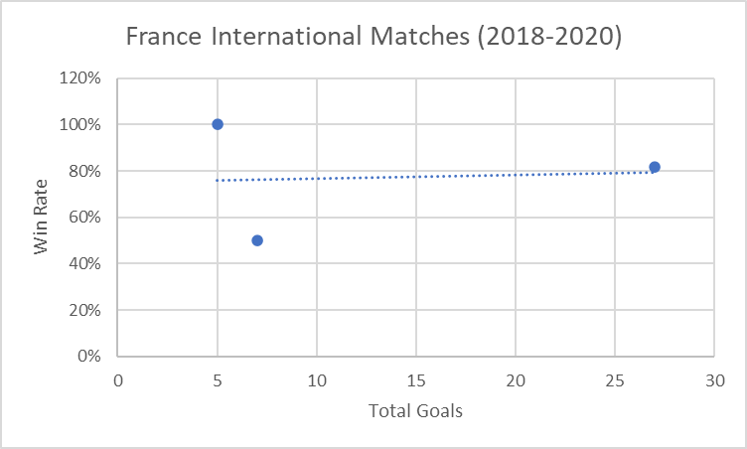

 |  | France (Internatinoal 1998-2002) Coefficient Matrix |  |  |  |  |  | Teams' Score Differences vs. Total Goals
 |  |  | Matches Played | Total Goals | Win Rate | Score Total Difference |  | Team | Score Difference/Total Goals (World Cup) | Score Difference/Total Goals (International) | Diff
 |  | Matches Played | 1 |  |  |  |  | Brazil | 59% | 84% | 25%
 |  | Total Goals | 0.9681264237 | 1 |  |  |  | France | 26% | 62% | 37%
 |  | Win Rate | 0.82667025367 | 0.72469137307 | 1 |  |  | Germany | 49% | 58% | 9%
 |  | Score Total Difference | 0.93134426766 | 0.97773466303 | 0.75025997634 | 1 |  | Italy | 44% | 53% | 9%
 |  |  |  |  |  |  |  | Spain | 58% | 89% | 32%

 |  | Brazil (International 2002-2006) Coefficient Matrix
 |  |  | Matches Played | Total Goals | Win Rate | Score Total Difference
 |  | Matches Played | 1
 |  | Total Goals | 0.83073884122 | 1 |  |  |  | Scatterplot matrix of all teams' variables
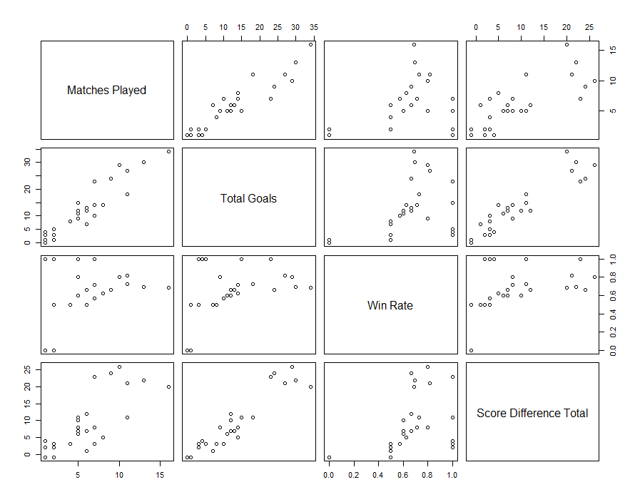
 |  | Win Rate | 0.34094190436 | 0.622556311 | 1
 |  | Score Difference Total | 0.64232096434 | 0.94767820701 | 0.64988479083 | 1

 |  | Italy (International 2006-2010) Coefficient Matrix
 |  |  | Matches Played | Total Goals | Win Rate | Score Total Difference
 |  | Matches Played | 1
 |  | Total Goals | 0.970058902 | 1
 |  | Win Rate | 0.64499601193 | 0.74715050795 | 1
 |  | Score Total Difference | 0.70970167718 | 0.8108458655 | 0.94162343358 | 1

 |  | Spain (International 2010-2014) Coefficient Matrix
 |  |  | Matches Played | Total Goals | Win Rate | Score Total Difference
 |  | Matches Played | 1
 |  | Total Goals | 0.99219218538 | 1
 |  | Win Rate | -0.85533332218 | -0.80968938812 | 1
 |  | Score Total Difference | 0.99668450427 | 0.98883431159 | -0.88447339051 | 1

 |  | Germany (International 2014-2018) Coefficient Matrix
 |  |  | Matches Played | Total Goals | Win Rate | Score Total Difference
 |  | Matches Played | 1
 |  | Total Goals | 0.96642948205 | 1
 |  | Win Rate | 0.85283515118 | 0.77312475347 | 1
 |  | Score Total Difference | 0.89854719263 | 0.96555716097 | 0.73527006194 | 1

 |  | France (International 2018-2020) Coefficient Matrix
 |  |  | Matches Played | Total Goals | Win Rate | Score Total Difference
 |  | Matches Played | 1
 |  | Total Goals | 0.9296832968 | 1
 |  | Win Rate | -0.29872813418 | 0.07381732442 | 1
 |  | Score Total Difference | 0.85229141057 | 0.98503805525 | 0.24457966605 | 1

 |  | Number of matchs bar plots
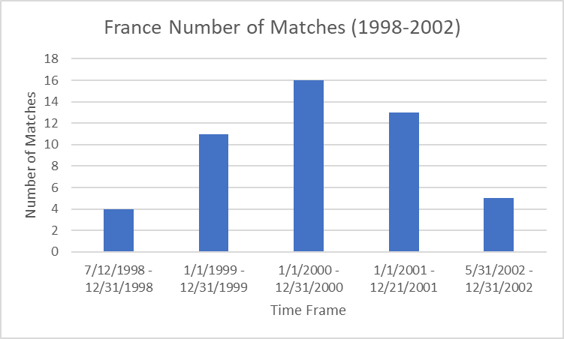
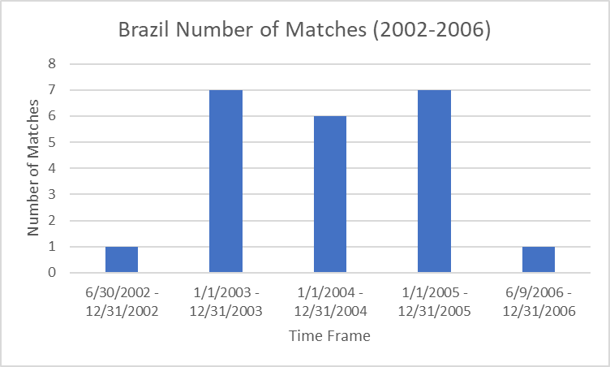
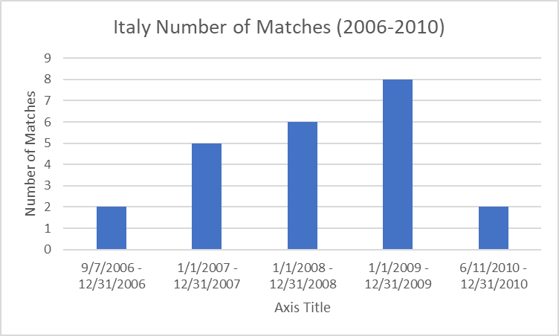

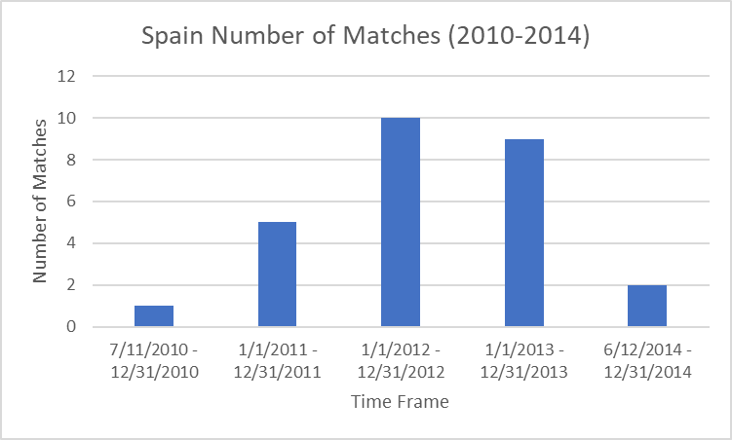
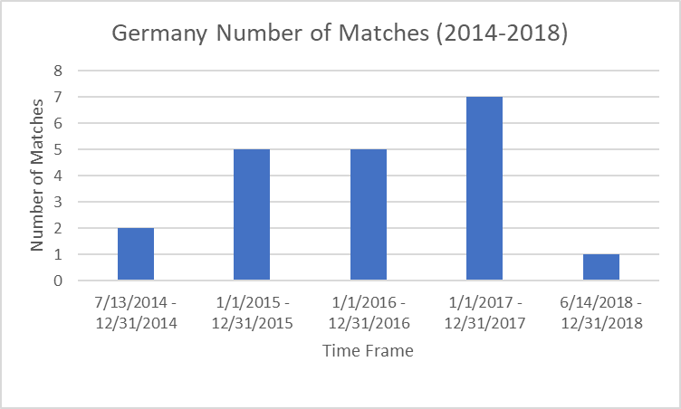
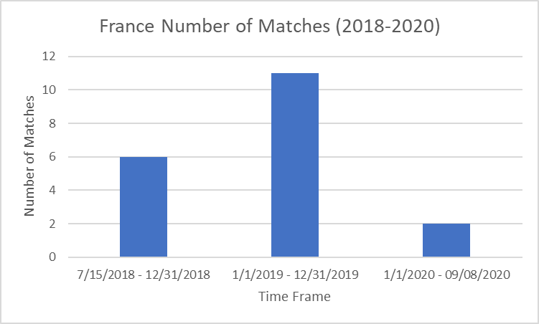

 |  | Density Plots of Teams' Score Difference

 |  | Brazil |  |  |  |  |  | France
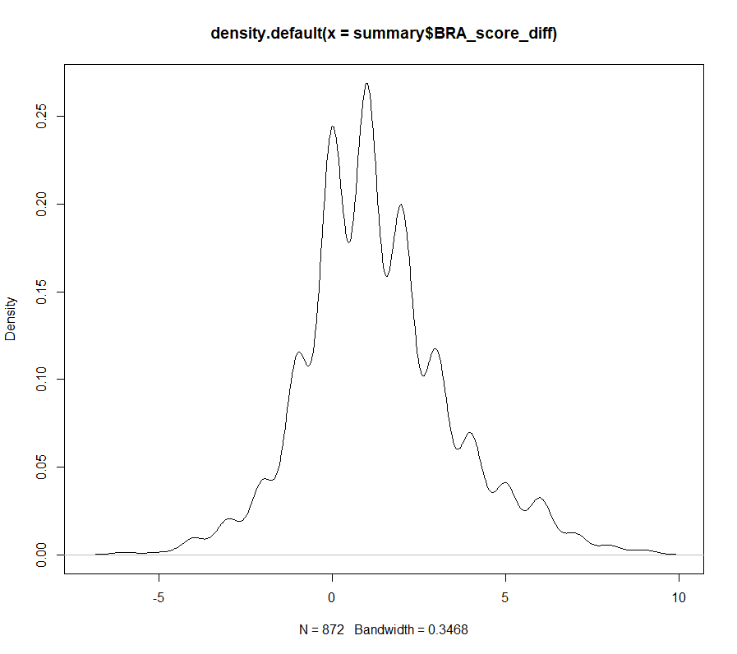
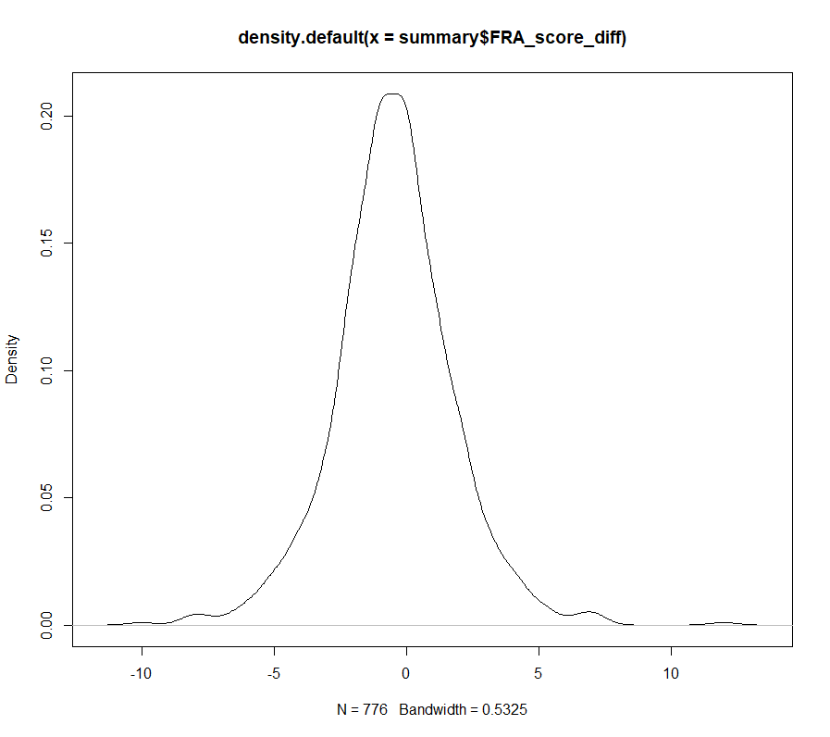

 |  | Germany |  |  |  |  |  | Italy
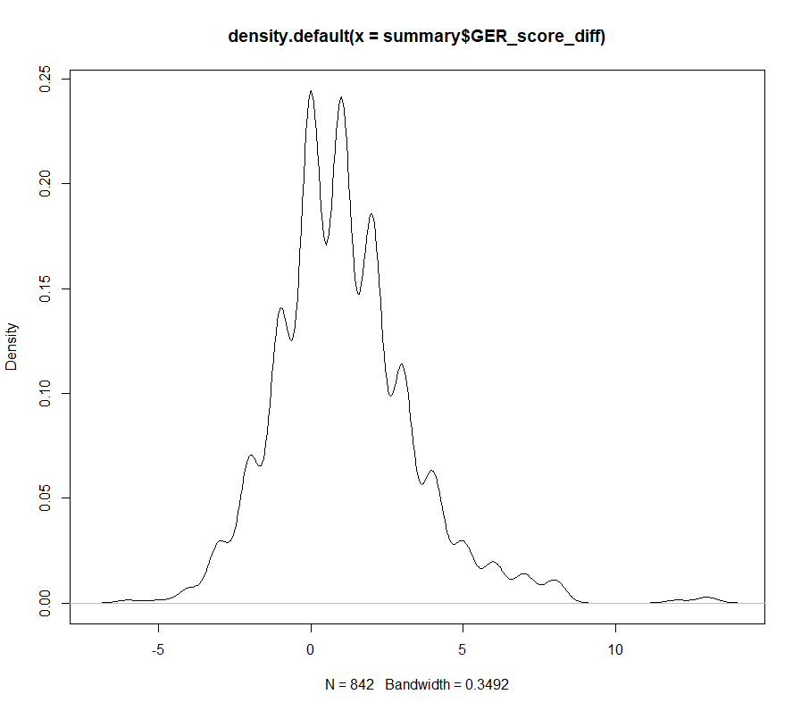
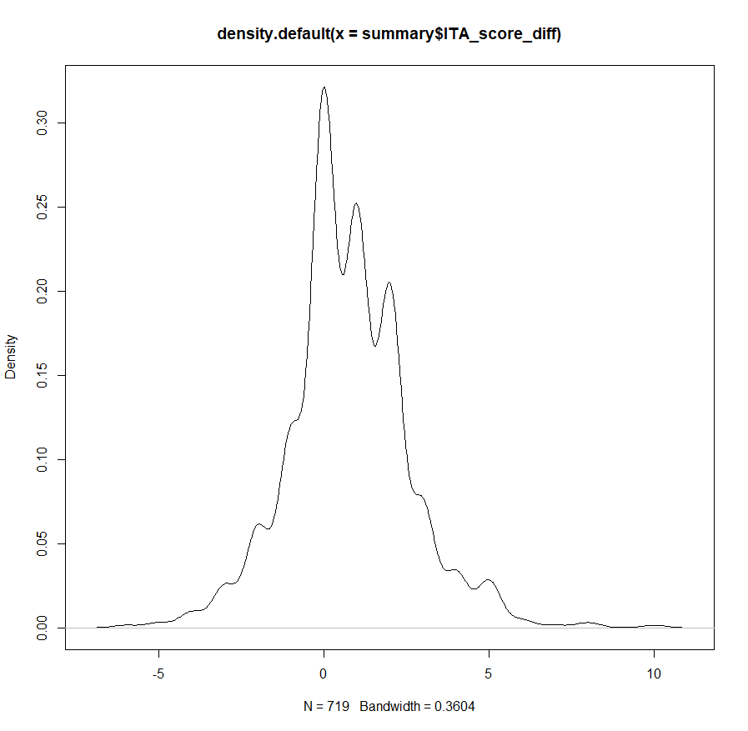

 |  | Spain
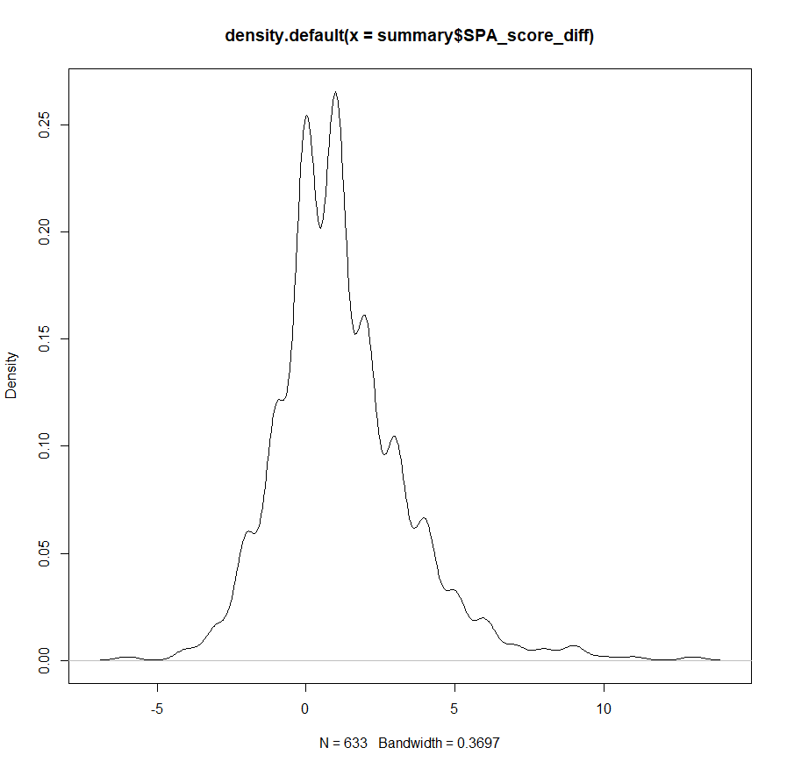

 |  | Shapiro Wilkes Test (On number of international matches)
 |  | Team | p-value
 |  | Brazil | 0.032406076553 | <-- not normal distribution
 |  | France (Overall) | 0.62497260657
 |  | France (1998-2002) | 0.52368706243
 |  | France (2018-2020) | 0.87764911352
 |  | Germany | 0.5636573654
 |  | Italy | 0.42179159458
 |  | Spain | 0.42518250574

 |  | BRA number of matches matches vs. each team means after bootstrapping:
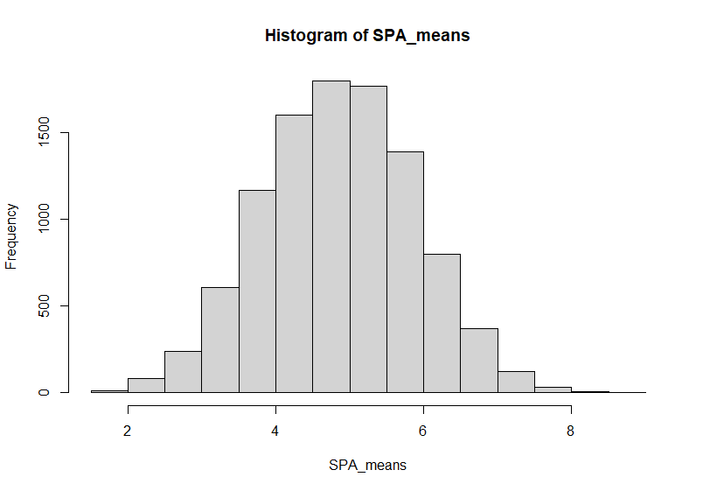
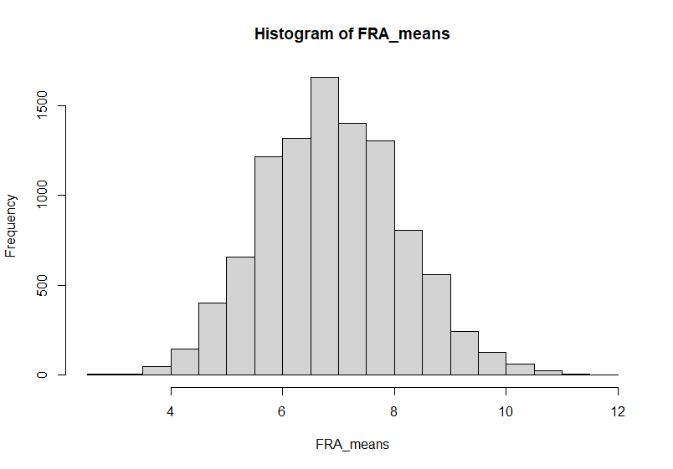

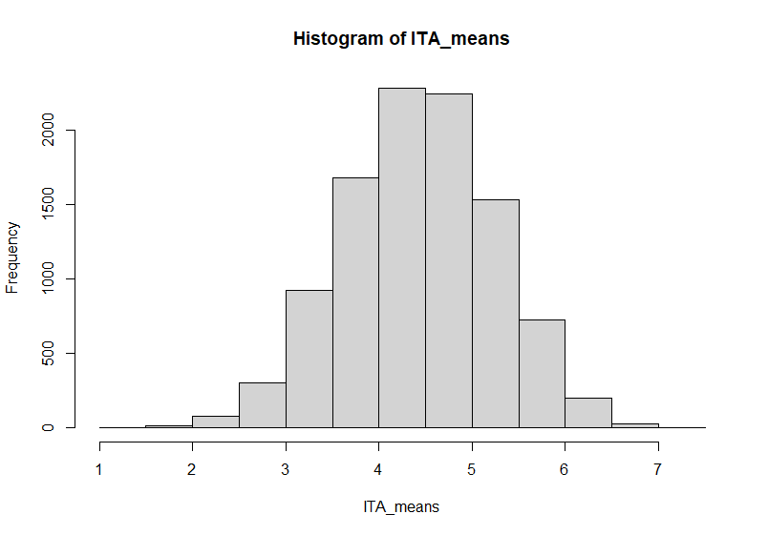
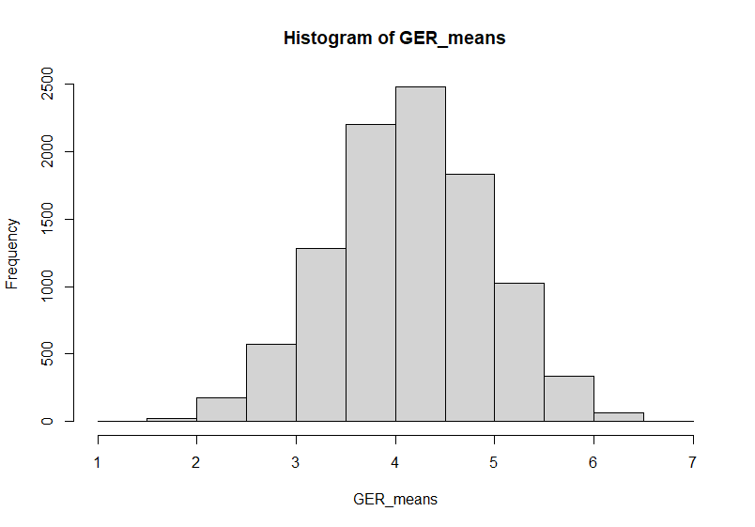

 |  | Bootstrap Confidence Intervals | min | mean | max
 |  | France | 4.454879 | 6.898008 | 9.341136
 |  | Germany | 2.642198 | 4.20267 | 5.763142
 |  | Italy | 2.897034 | 4.50431 | 6.111586
 |  | Spain | 2.891756 | 4.90993 | 6.928104

 |  | ANOVA and Tukey's Post-hoc tests

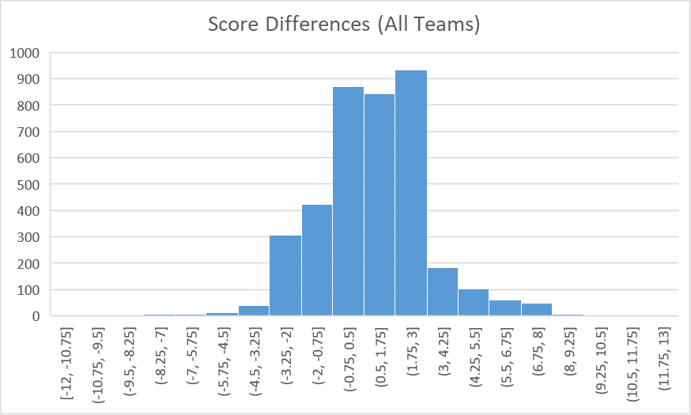
 |  | Score differences is normally distributed
 |  |  |  |  |  | ANOVA summary (variables | ind.: score difference, dep.: team's results, tournament, opposing team)

 |  | Tukey's post-hoc tests plots

 |  | Tournaments plot |  |  |  |  |  | Away teams plot
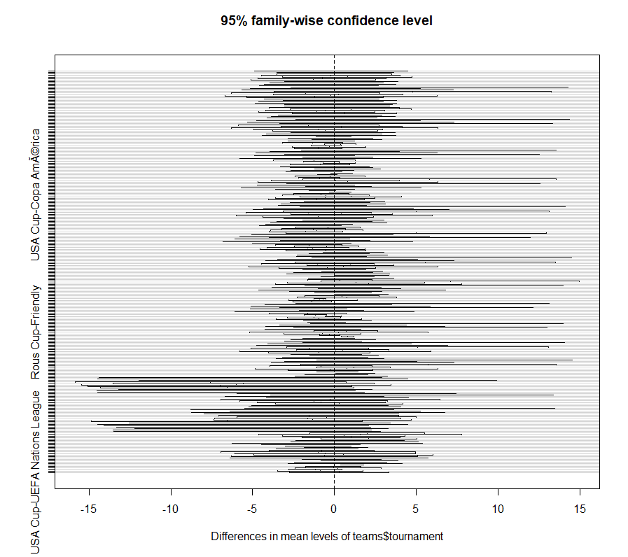
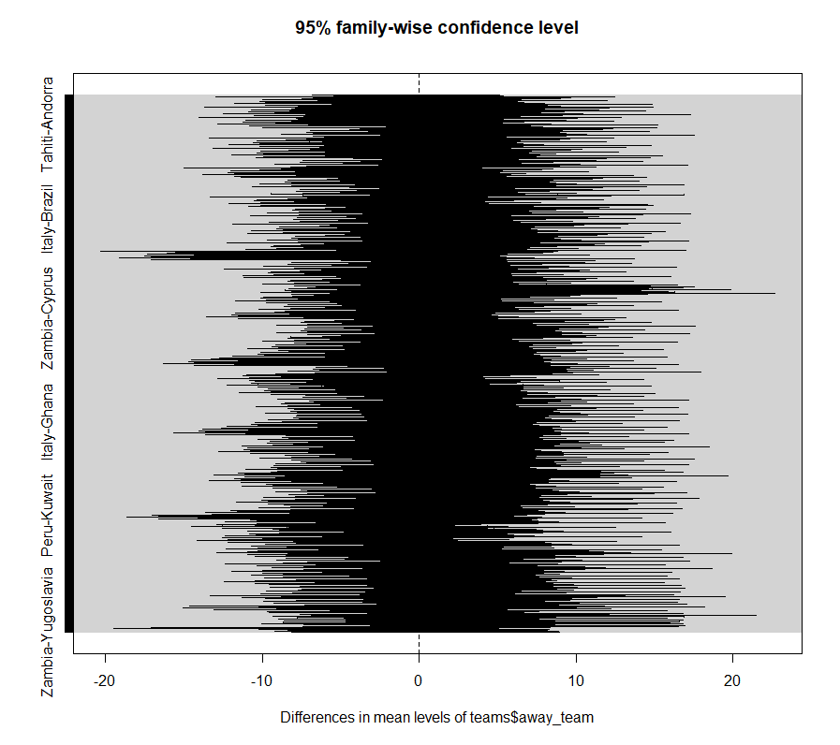

 |  | Match results plot |  |  |  |  |  | Home teams plot
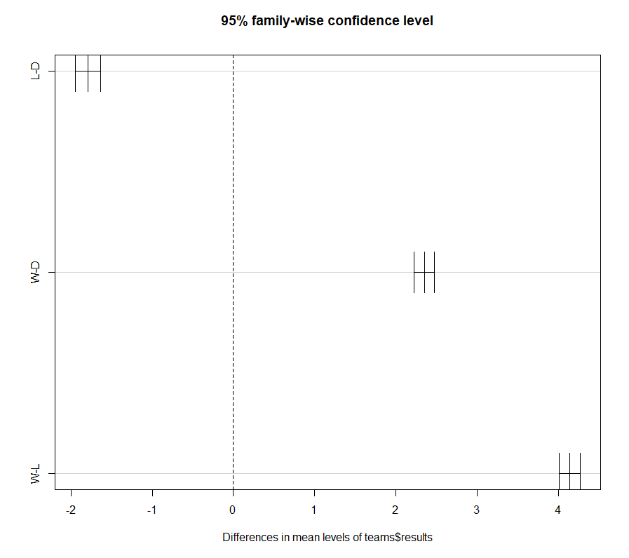
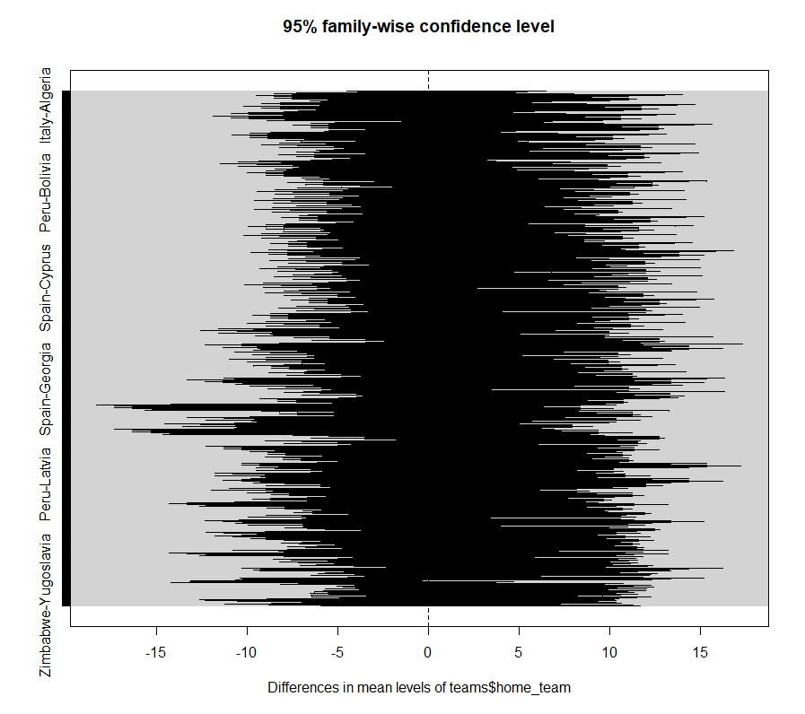

 |  | f-tests for teams' score differences in international and World Cup matches

 |  | Score Difference (International) f-tests
 |  |  | Brazil | France | Germany | Italy | Spain
 |  | Brazil | 1
 |  | France | 0.043049608902 | 1
 |  | Germany | 0.063113055492 | 0.84122853966 | 1
 |  | Italy | 5.7770511129E-05 | 5.6356711105E-09 | 9.956129898E-09 | 1
 |  | Spain | 0.32364983014 | 0.36781804164 | 0.46685658474 | 2.7440040859E-06 | 1

 |  | Score Difference (World Cup) f-tests
 |  |  | Brazil | France | Germany | Italy | Spain
 |  | Brazil | 1
 |  | France | 0.21525898071 | 1
 |  | Germany | 0.7282128628 | 0.12590582498 | 1
 |  | Italy | 0.0023977203957 | 0.11606635582 | 0.00084775736018 | 1
 |  | Spain | 0.27455709801 | 0.91589856859 | 0.16862291705 | 0.098399573736 | 1

Research Question 2 Tests

 | Brazil's linear regression model |  |  |  |  |  | France's linear regression model
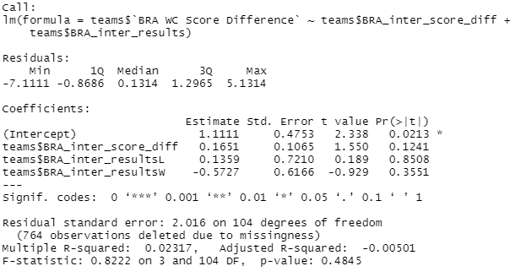
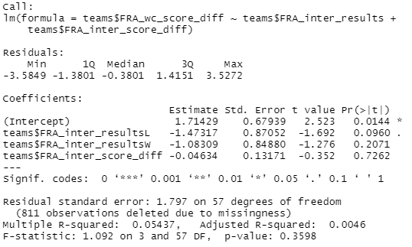

 | Germany's linear regression model |  |  |  |  |  | Italy's linear regression model
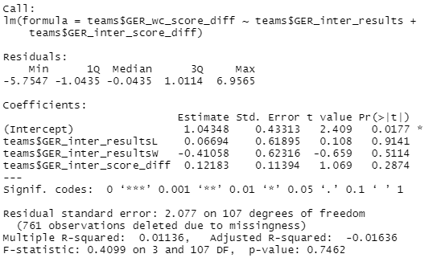
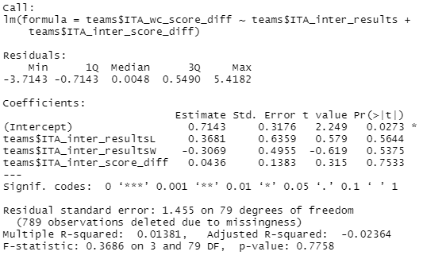

 | Spain's linear regression model
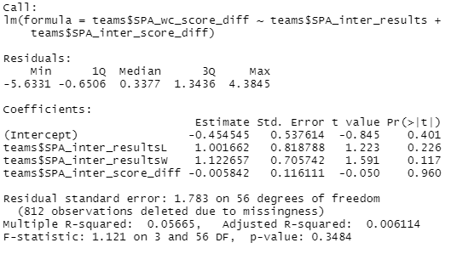

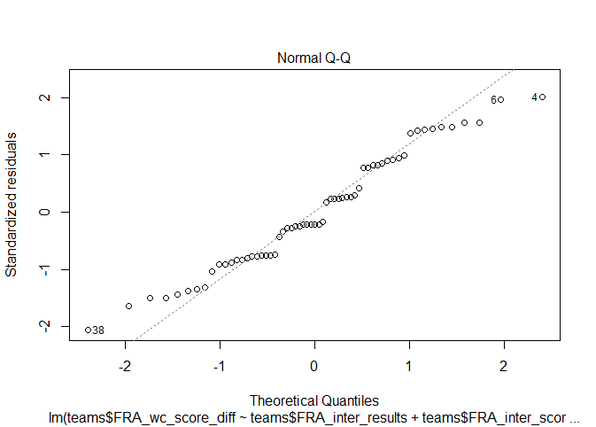
 | Brazil's Q-Q plot |  |  |  |  | France's Q-Q Plot
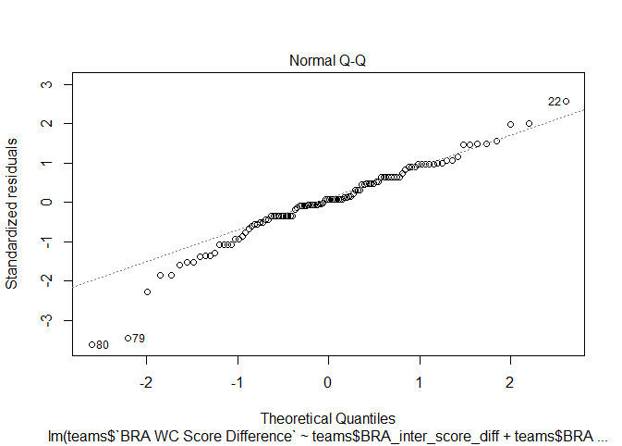

 | Germany's Q-Q Plot |  |  |  |  | Italy's Q-Q Plot
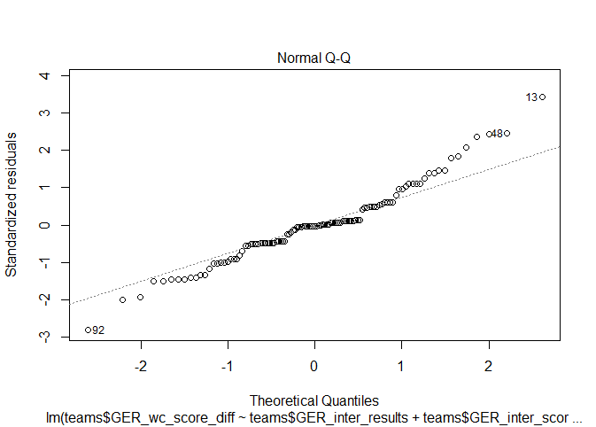
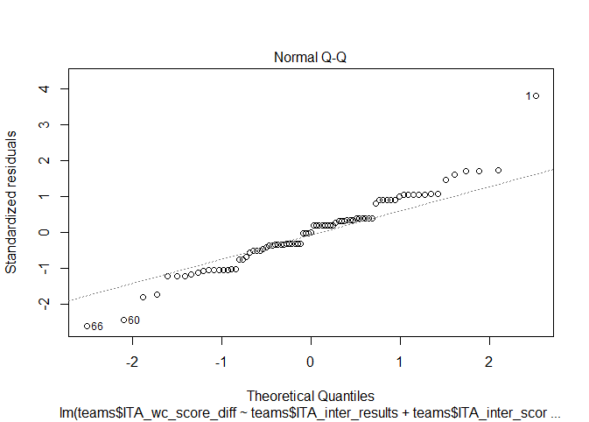

 | Spain's Q-Q Plot
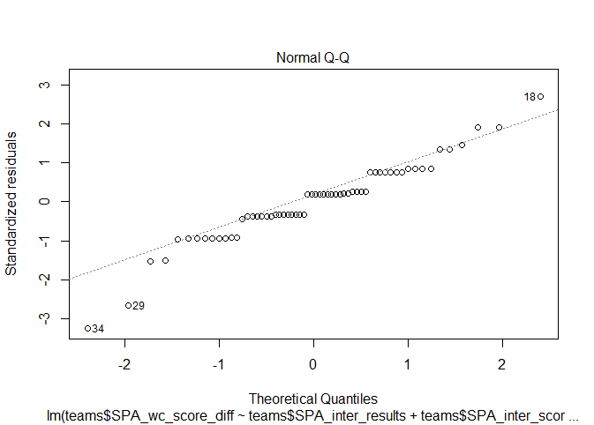

Research Question 3 Tests

 |  | Champions' World Cup matches results against stage |  |  | ChiSq p-value | 0.35817818054

 |  | Actual Values | W | L | D |  |  |  | Expected Values | W | L | D
 |  | Final | 14 | 6 | 4 | 24 |  |  | Final | 13.909738717 | 5.3586698337 | 4.7315914489 | 24
 |  | First round | 3 | 1 | 1 | 5 |  |  | First round | 2.8978622328 | 1.1163895487 | 0.98574821853 | 5
 |  | Group 1 | 12 | 8 | 8 | 28 |  |  | Group 1 | 16.228028504 | 6.2517814727 | 5.5201900238 | 28
 |  | Group 2 | 20 | 8 | 11 | 39 |  |  | Group 2 | 22.603325416 | 8.7078384798 | 7.6888361045 | 39
 |  | Group 3 | 13 | 7 | 4 | 24 |  |  | Group 3 | 13.909738717 | 5.3586698337 | 4.7315914489 | 24
 |  | Group 4 | 11 | 6 | 3 | 20 |  |  | Group 4 | 11.591448931 | 4.4655581948 | 3.9429928741 | 20
 |  | Group 5 | 1 | 1 | 1 | 3 |  |  | Group 5 | 1.7387173397 | 0.66983372922 | 0.59144893112 | 3
 |  | Group 6 | 5 | 3 | 1 | 9 |  |  | Group 6 | 5.216152019 | 2.0095011876 | 1.7743467933 | 9
 |  | Group A | 14 | 8 | 8 | 30 |  |  | Group A | 17.387173397 | 6.6983372922 | 5.9144893112 | 30
 |  | Group B | 13 | 2 | 3 | 18 |  |  | Group B | 10.432304038 | 4.0190023753 | 3.5486935867 | 18
 |  | Group C | 14 | 0 | 4 | 18 |  |  | Group C | 10.432304038 | 4.0190023753 | 3.5486935867 | 18
 |  | Group D | 11 | 5 | 2 | 18 |  |  | Group D | 10.432304038 | 4.0190023753 | 3.5486935867 | 18
 |  | Group E | 10 | 2 | 6 | 18 |  |  | Group E | 10.432304038 | 4.0190023753 | 3.5486935867 | 18
 |  | Group F | 5 | 1 | 3 | 9 |  |  | Group F | 5.216152019 | 2.0095011876 | 1.7743467933 | 9
 |  | Group G | 6 | 1 | 5 | 12 |  |  | Group G | 6.9548693587 | 2.6793349169 | 2.3657957245 | 12
 |  | Group H | 5 | 1 | 0 | 6 |  |  | Group H | 3.4774346793 | 1.3396674584 | 1.1828978622 | 6
 |  | Match for third place | 8 | 4 | 0 | 12 |  |  | Match for third place | 6.9548693587 | 2.6793349169 | 2.3657957245 | 12
 |  | Play-off for third place | 0 | 2 | 0 | 2 |  |  | Play-off for third place | 1.1591448931 | 0.44655581948 | 0.39429928741 | 2
 |  | Preliminary round | 3 | 2 | 0 | 5 |  |  | Preliminary round | 2.8978622328 | 1.1163895487 | 0.98574821853 | 5
 |  | Quarter-finals | 28 | 11 | 11 | 50 |  |  | Quarter-finals | 28.978622328 | 11.163895487 | 9.8574821853 | 50
 |  | Round of 16 | 27 | 5 | 3 | 35 |  |  | Round of 16 | 20.285035629 | 7.8147268409 | 6.9002375297 | 35
 |  | Semi-finals | 20 | 10 | 5 | 35 |  |  | Semi-finals | 20.285035629 | 7.8147268409 | 6.9002375297 | 35
 |  | Third place | 1 | 0 | 0 | 1 |  |  | Third place | 0.57957244656 | 0.22327790974 | 0.19714964371 | 1
 |  |  | 244 | 94 | 83 | 421 |  |  |  | 244 | 94 | 83 | 421

 |  | Champions' World Cup matches results against referees |  |  | ChiSq p-value | 0.63549112511

 |  | Actual values | W | L | D |  |  |  | Expected Values | W | L | D
 |  | AGNOLIN Luigi (ITA) | 1 | 1 | 0 | 2 |  |  | AGNOLIN Luigi (ITA) | 1.1591448931 | 0.44655581948 | 0.39429928741 | 2
 |  | AGUILAR ELIZALDE Abel (MEX) | 1 | 0 | 0 | 1 |  |  | AGUILAR ELIZALDE Abel (MEX) | 0.57957244656 | 0.22327790974 | 0.19714964371 | 1
 |  | AL GHAMDI Khalil (KSA) | 0 | 1 | 0 | 1 |  |  | AL GHAMDI Khalil (KSA) | 0.57957244656 | 0.22327790974 | 0.19714964371 | 1
 |  | Alberto UNDIANO MALLENCO (ESP) | 0 | 1 | 0 | 1 |  |  | Alberto UNDIANO MALLENCO (ESP) | 0.57957244656 | 0.22327790974 | 0.19714964371 | 1
 |  | ANGONESE Aurelio (ITA) | 0 | 1 | 0 | 1 |  |  | ANGONESE Aurelio (ITA) | 0.57957244656 | 0.22327790974 | 0.19714964371 | 1
 |  | AQUINO Ubaldo (PAR) | 1 | 0 | 0 | 1 |  |  | AQUINO Ubaldo (PAR) | 0.57957244656 | 0.22327790974 | 0.19714964371 | 1
 |  | ARCHUNDIA Benito (MEX) | 4 | 1 | 3 | 8 |  |  | ARCHUNDIA Benito (MEX) | 4.6365795724 | 1.7862232779 | 1.5771971496 | 8
 |  | ARPPI FILHO Romualdo (BRA) | 0 | 1 | 1 | 2 |  |  | ARPPI FILHO Romualdo (BRA) | 1.1591448931 | 0.44655581948 | 0.39429928741 | 2
 |  | ASENSI Manuel (ESP) | 1 | 0 | 0 | 1 |  |  | ASENSI Manuel (ESP) | 0.57957244656 | 0.22327790974 | 0.19714964371 | 1
 |  | ASHKENAZI Menachem (ISR) | 0 | 0 | 1 | 1 |  |  | ASHKENAZI Menachem (ISR) | 0.57957244656 | 0.22327790974 | 0.19714964371 | 1
 |  | ASTON Ken (ENG) | 0 | 1 | 0 | 1 |  |  | ASTON Ken (ENG) | 0.57957244656 | 0.22327790974 | 0.19714964371 | 1
 |  | AZON ROMA Ramon (ESP) | 0 | 0 | 1 | 1 |  |  | AZON ROMA Ramon (ESP) | 0.57957244656 | 0.22327790974 | 0.19714964371 | 1
 |  | BABACAN Dogan (TUR) | 1 | 0 | 0 | 1 |  |  | BABACAN Dogan (TUR) | 0.57957244656 | 0.22327790974 | 0.19714964371 | 1
 |  | BADILLA Rodrigo (CRC) | 2 | 0 | 0 | 2 |  |  | BADILLA Rodrigo (CRC) | 1.1591448931 | 0.44655581948 | 0.39429928741 | 2
 |  | BAERT Louis (BEL) | 1 | 1 | 2 | 4 |  |  | BAERT Louis (BEL) | 2.3182897862 | 0.89311163895 | 0.78859857482 | 4
 |  | BAHARMAST Esse (USA) | 0 | 2 | 0 | 2 |  |  | BAHARMAST Esse (USA) | 1.1591448931 | 0.44655581948 | 0.39429928741 | 2
 |  | BAKHRAMOV Tofik (URS) | 1 | 0 | 0 | 1 |  |  | BAKHRAMOV Tofik (URS) | 0.57957244656 | 0.22327790974 | 0.19714964371 | 1
 |  | BALDASSI Hector (ARG) | 1 | 0 | 0 | 1 |  |  | BALDASSI Hector (ARG) | 0.57957244656 | 0.22327790974 | 0.19714964371 | 1
 |  | BALWAY Thomas (FRA) | 1 | 0 | 0 | 1 |  |  | BALWAY Thomas (FRA) | 0.57957244656 | 0.22327790974 | 0.19714964371 | 1
 |  | BAMBRIDGE Christopher (AUS) | 1 | 1 | 0 | 2 |  |  | BAMBRIDGE Christopher (AUS) | 1.1591448931 | 0.44655581948 | 0.39429928741 | 2
 |  | BARLASSINA Rinaldo (ITA) | 1 | 1 | 0 | 2 |  |  | BARLASSINA Rinaldo (ITA) | 1.1591448931 | 0.44655581948 | 0.39429928741 | 2
 |  | BARRETO RUIZ Ramon (URU) | 2 | 1 | 1 | 4 |  |  | BARRETO RUIZ Ramon (URU) | 2.3182897862 | 0.89311163895 | 0.78859857482 | 4
 |  | BATRES Carlos (GUA) | 2 | 0 | 1 | 3 |  |  | BATRES Carlos (GUA) | 1.7387173397 | 0.66983372922 | 0.59144893112 | 3
 |  | BATTA Marc (FRA) | 1 | 0 | 0 | 1 |  |  | BATTA Marc (FRA) | 0.57957244656 | 0.22327790974 | 0.19714964371 | 1
 |  | BELQOLA Said (MAR) | 2 | 1 | 0 | 3 |  |  | BELQOLA Said (MAR) | 1.7387173397 | 0.66983372922 | 0.59144893112 | 3
 |  | BERANEK Alois (AUT) | 1 | 0 | 0 | 1 |  |  | BERANEK Alois (AUT) | 0.57957244656 | 0.22327790974 | 0.19714964371 | 1
 |  | BIRLEM Alfred (GER) | 1 | 1 | 0 | 2 |  |  | BIRLEM Alfred (GER) | 1.1591448931 | 0.44655581948 | 0.39429928741 | 2
 |  | BIWERSI Ferdinand (GER) | 1 | 0 | 0 | 1 |  |  | BIWERSI Ferdinand (GER) | 0.57957244656 | 0.22327790974 | 0.19714964371 | 1
 |  | Bjï¿½rn KUIPERS (NED) | 2 | 0 | 0 | 2 |  |  | Bjï¿½rn KUIPERS (NED) | 1.1591448931 | 0.44655581948 | 0.39429928741 | 2
 |  | BOUCHARDEAU Lucien (NIG) | 0 | 0 | 1 | 1 |  |  | BOUCHARDEAU Lucien (NIG) | 0.57957244656 | 0.22327790974 | 0.19714964371 | 1
 |  | BOUZO Farouk (SYR) | 1 | 0 | 0 | 1 |  |  | BOUZO Farouk (SYR) | 0.57957244656 | 0.22327790974 | 0.19714964371 | 1
 |  | BRIZIO CARTER Arturo (MEX) | 4 | 0 | 0 | 4 |  |  | BRIZIO CARTER Arturo (MEX) | 2.3182897862 | 0.89311163895 | 0.78859857482 | 4
 |  | BROZZI Juan (ARG) | 2 | 1 | 0 | 3 |  |  | BROZZI Juan (ARG) | 1.7387173397 | 0.66983372922 | 0.59144893112 | 3
 |  | BRUMMEIER Horst (AUT) | 1 | 0 | 0 | 1 |  |  | BRUMMEIER Horst (AUT) | 0.57957244656 | 0.22327790974 | 0.19714964371 | 1
 |  | BUJSAIM Ali (UAE) | 1 | 1 | 1 | 3 |  |  | BUJSAIM Ali (UAE) | 1.7387173397 | 0.66983372922 | 0.59144893112 | 3
 |  | BUSACCA Massimo (SUI) | 1 | 0 | 0 | 1 |  |  | BUSACCA Massimo (SUI) | 0.57957244656 | 0.22327790974 | 0.19714964371 | 1
 |  | BUSTAMANTE Sergio (CHI) | 1 | 1 | 0 | 2 |  |  | BUSTAMANTE Sergio (CHI) | 1.1591448931 | 0.44655581948 | 0.39429928741 | 2
 |  | CAPDEVILLE Georges (FRA) | 2 | 0 | 0 | 2 |  |  | CAPDEVILLE Georges (FRA) | 1.1591448931 | 0.44655581948 | 0.39429928741 | 2
 |  | CARDELLINO DE SAN VICENTE Juan (URU) | 1 | 0 | 0 | 1 |  |  | CARDELLINO DE SAN VICENTE Juan (URU) | 0.57957244656 | 0.22327790974 | 0.19714964371 | 1
 |  | Carlos VELASCO CARBALLO (ESP) | 2 | 0 | 0 | 2 |  |  | Carlos VELASCO CARBALLO (ESP) | 1.1591448931 | 0.44655581948 | 0.39429928741 | 2
 |  | CARRARO Albino (ITA) | 1 | 0 | 0 | 1 |  |  | CARRARO Albino (ITA) | 0.57957244656 | 0.22327790974 | 0.19714964371 | 1
 |  | CASARIN Paolo (ITA) | 1 | 1 | 1 | 3 |  |  | CASARIN Paolo (ITA) | 1.7387173397 | 0.66983372922 | 0.59144893112 | 3
 |  | CHRISTOV Vojtech (TCH) | 0 | 0 | 1 | 1 |  |  | CHRISTOV Vojtech (TCH) | 0.57957244656 | 0.22327790974 | 0.19714964371 | 1
 |  | Cï¿½neyt ï¿½AKIR (TUR) | 0 | 0 | 1 | 1 |  |  | Cï¿½neyt ï¿½AKIR (TUR) | 0.57957244656 | 0.22327790974 | 0.19714964371 | 1
 |  | CODESAL MENDEZ Edgardo (MEX) | 2 | 0 | 0 | 2 |  |  | CODESAL MENDEZ Edgardo (MEX) | 1.1591448931 | 0.44655581948 | 0.39429928741 | 2
 |  | CODJIA Coffi (BEN) | 1 | 0 | 0 | 1 |  |  | CODJIA Coffi (BEN) | 0.57957244656 | 0.22327790974 | 0.19714964371 | 1
 |  | COELHO Arnaldo (BRA) | 2 | 1 | 1 | 4 |  |  | COELHO Arnaldo (BRA) | 2.3182897862 | 0.89311163895 | 0.78859857482 | 4
 |  | COEREZZA Norberto Angel (ARG) | 1 | 0 | 1 | 2 |  |  | COEREZZA Norberto Angel (ARG) | 1.1591448931 | 0.44655581948 | 0.39429928741 | 2
 |  | COLLINA Pierluigi (ITA) | 2 | 1 | 0 | 3 |  |  | COLLINA Pierluigi (ITA) | 1.7387173397 | 0.66983372922 | 0.59144893112 | 3
 |  | CORVER Charles (NED) | 0 | 0 | 2 | 2 |  |  | CORVER Charles (NED) | 1.1591448931 | 0.44655581948 | 0.39429928741 | 2
 |  | COURTNEY George (ENG) | 2 | 0 | 0 | 2 |  |  | COURTNEY George (ENG) | 1.1591448931 | 0.44655581948 | 0.39429928741 | 2
 |  | DA COSTA VIEIRA Jose (POR) | 1 | 0 | 0 | 1 |  |  | DA COSTA VIEIRA Jose (POR) | 0.57957244656 | 0.22327790974 | 0.19714964371 | 1
 |  | DAGNALL Kenneth (ENG) | 0 | 1 | 0 | 1 |  |  | DAGNALL Kenneth (ENG) | 0.57957244656 | 0.22327790974 | 0.19714964371 | 1
 |  | DALLAS Hugh (SCO) | 1 | 0 | 2 | 3 |  |  | DALLAS Hugh (SCO) | 1.7387173397 | 0.66983372922 | 0.59144893112 | 3
 |  | DAVIDSON Bob (SCO) | 1 | 0 | 2 | 3 |  |  | DAVIDSON Bob (SCO) | 1.7387173397 | 0.66983372922 | 0.59144893112 | 3
 |  | DE BLEECKERE Frank (BEL) | 1 | 0 | 0 | 1 |  |  | DE BLEECKERE Frank (BEL) | 0.57957244656 | 0.22327790974 | 0.19714964371 | 1
 |  | DE MORAES Ayrton Vieira (BRA) | 0 | 0 | 1 | 1 |  |  | DE MORAES Ayrton Vieira (BRA) | 0.57957244656 | 0.22327790974 | 0.19714964371 | 1
 |  | DIAZ PALACIO Jesus (COL) | 0 | 0 | 1 | 1 |  |  | DIAZ PALACIO Jesus (COL) | 0.57957244656 | 0.22327790974 | 0.19714964371 | 1
 |  | DIENST Gottfried (SUI) | 2 | 1 | 0 | 3 |  |  | DIENST Gottfried (SUI) | 1.7387173397 | 0.66983372922 | 0.59144893112 | 3
 |  | DOTCHEV Bogdan (BUL) | 0 | 0 | 1 | 1 |  |  | DOTCHEV Bogdan (BUL) | 0.57957244656 | 0.22327790974 | 0.19714964371 | 1
 |  | DUBACH Jean (SUI) | 0 | 1 | 0 | 1 |  |  | DUBACH Jean (SUI) | 0.57957244656 | 0.22327790974 | 0.19714964371 | 1
 |  | DURKIN Paul (ENG) | 1 | 0 | 0 | 1 |  |  | DURKIN Paul (ENG) | 0.57957244656 | 0.22327790974 | 0.19714964371 | 1
 |  | DUSCH Albert (GER) | 0 | 0 | 1 | 1 |  |  | DUSCH Albert (GER) | 0.57957244656 | 0.22327790974 | 0.19714964371 | 1
 |  | EKLIND Ivan (SWE) | 3 | 1 | 0 | 4 |  |  | EKLIND Ivan (SWE) | 2.3182897862 | 0.89311163895 | 0.78859857482 | 4
 |  | EL GHANDOUR Gamal (EGY) | 3 | 0 | 1 | 4 |  |  | EL GHANDOUR Gamal (EGY) | 2.3182897862 | 0.89311163895 | 0.78859857482 | 4
 |  | ELIZONDO Horacio (ARG) | 1 | 0 | 2 | 3 |  |  | ELIZONDO Horacio (ARG) | 1.7387173397 | 0.66983372922 | 0.59144893112 | 3
 |  | ELLIS Arthur (ENG) | 2 | 1 | 1 | 4 |  |  | ELLIS Arthur (ENG) | 2.3182897862 | 0.89311163895 | 0.78859857482 | 4
 |  | ERIKSSON Jonas (SWE) | 1 | 0 | 0 | 1 |  |  | ERIKSSON Jonas (SWE) | 0.57957244656 | 0.22327790974 | 0.19714964371 | 1
 |  | ESCHWEILER Walter (GER) | 0 | 0 | 1 | 1 |  |  | ESCHWEILER Walter (GER) | 0.57957244656 | 0.22327790974 | 0.19714964371 | 1
 |  | ESPOSITO Carlos (ARG) | 1 | 1 | 0 | 2 |  |  | ESPOSITO Carlos (ARG) | 1.1591448931 | 0.44655581948 | 0.39429928741 | 2
 |  | FAULTLESS Charlie (SCO) | 0 | 0 | 1 | 1 |  |  | FAULTLESS Charlie (SCO) | 0.57957244656 | 0.22327790974 | 0.19714964371 | 1
 |  | FERNANDES CAMPOS Joaquim (POR) | 0 | 0 | 1 | 1 |  |  | FERNANDES CAMPOS Joaquim (POR) | 0.57957244656 | 0.22327790974 | 0.19714964371 | 1
 |  | FILIPPI Ernesto (URU) | 0 | 0 | 2 | 2 |  |  | FILIPPI Ernesto (URU) | 1.1591448931 | 0.44655581948 | 0.39429928741 | 2
 |  | FINNEY Jim (ENG) | 1 | 0 | 0 | 1 |  |  | FINNEY Jim (ENG) | 0.57957244656 | 0.22327790974 | 0.19714964371 | 1
 |  | FREDRIKSSON Erik (SWE) | 0 | 0 | 1 | 1 |  |  | FREDRIKSSON Erik (SWE) | 0.57957244656 | 0.22327790974 | 0.19714964371 | 1
 |  | FRISK Anders (SWE) | 1 | 0 | 1 | 2 |  |  | FRISK Anders (SWE) | 1.1591448931 | 0.44655581948 | 0.39429928741 | 2
 |  | GALBA Karol (TCH) | 0 | 1 | 0 | 1 |  |  | GALBA Karol (TCH) | 0.57957244656 | 0.22327790974 | 0.19714964371 | 1
 |  | GALEATI Giovanni (ITA) | 1 | 0 | 0 | 1 |  |  | GALEATI Giovanni (ITA) | 0.57957244656 | 0.22327790974 | 0.19714964371 | 1
 |  | GALLER Bruno (SUI) | 1 | 0 | 0 | 1 |  |  | GALLER Bruno (SUI) | 0.57957244656 | 0.22327790974 | 0.19714964371 | 1
 |  | GARCIA ARANDA Jose Maria (ESP) | 2 | 0 | 0 | 2 |  |  | GARCIA ARANDA Jose Maria (ESP) | 1.1591448931 | 0.44655581948 | 0.39429928741 | 2
 |  | GARDEAZABAL Juan (ESP) | 2 | 0 | 0 | 2 |  |  | GARDEAZABAL Juan (ESP) | 1.1591448931 | 0.44655581948 | 0.39429928741 | 2
 |  | GARRIDO Antonio (POR) | 0 | 2 | 0 | 2 |  |  | GARRIDO Antonio (POR) | 1.1591448931 | 0.44655581948 | 0.39429928741 | 2
 |  | GEIGER Mark (USA) | 2 | 1 | 0 | 3 |  |  | GEIGER Mark (USA) | 1.7387173397 | 0.66983372922 | 0.59144893112 | 3
 |  | GLOECKNER Rudolf (GDR) | 1 | 1 | 1 | 3 |  |  | GLOECKNER Rudolf (GDR) | 1.7387173397 | 0.66983372922 | 0.59144893112 | 3
 |  | GONELLA Sergio (ITA) | 0 | 0 | 2 | 2 |  |  | GONELLA Sergio (ITA) | 1.1591448931 | 0.44655581948 | 0.39429928741 | 2
 |  | GONZALEZ CHAVEZ Epifanio (PAR) | 1 | 0 | 0 | 1 |  |  | GONZALEZ CHAVEZ Epifanio (PAR) | 0.57957244656 | 0.22327790974 | 0.19714964371 | 1
 |  | GRIFFITHS Benjamin (WAL) | 2 | 4 | 1 | 7 |  |  | GRIFFITHS Benjamin (WAL) | 4.0570071259 | 1.5629453682 | 1.3800475059 | 7
 |  | GUEZZAZ Mohammed (MAR) | 1 | 0 | 0 | 1 |  |  | GUEZZAZ Mohammed (MAR) | 0.57957244656 | 0.22327790974 | 0.19714964371 | 1
 |  | GUIGUE Maurice (FRA) | 3 | 0 | 0 | 3 |  |  | GUIGUE Maurice (FRA) | 1.7387173397 | 0.66983372922 | 0.59144893112 | 3
 |  | HAIMOUDI Djamel (ALG) | 0 | 2 | 0 | 2 |  |  | HAIMOUDI Djamel (ALG) | 1.1591448931 | 0.44655581948 | 0.39429928741 | 2
 |  | HALL Brian (USA) | 1 | 0 | 0 | 1 |  |  | HALL Brian (USA) | 0.57957244656 | 0.22327790974 | 0.19714964371 | 1
 |  | HEYNEMANN Bernd (GER) | 1 | 0 | 0 | 1 |  |  | HEYNEMANN Bernd (GER) | 0.57957244656 | 0.22327790974 | 0.19714964371 | 1
 |  | HORN Leo (NED) | 1 | 0 | 0 | 1 |  |  | HORN Leo (NED) | 0.57957244656 | 0.22327790974 | 0.19714964371 | 1
 |  | IGNA Ioan (ROU) | 1 | 0 | 2 | 3 |  |  | IGNA Ioan (ROU) | 1.7387173397 | 0.66983372922 | 0.59144893112 | 3
 |  | ITHURRALDE Arturo Andres (ARG) | 0 | 0 | 1 | 1 |  |  | ITHURRALDE Arturo Andres (ARG) | 0.57957244656 | 0.22327790974 | 0.19714964371 | 1
 |  | IVANOV Valentin (RUS) | 1 | 0 | 1 | 2 |  |  | IVANOV Valentin (RUS) | 1.1591448931 | 0.44655581948 | 0.39429928741 | 2
 |  | JACOME GUERRERO Elias V. (ECU) | 1 | 0 | 0 | 1 |  |  | JACOME GUERRERO Elias V. (ECU) | 0.57957244656 | 0.22327790974 | 0.19714964371 | 1
 |  | JARGUZ Alojzy (POL) | 1 | 0 | 0 | 1 |  |  | JARGUZ Alojzy (POL) | 0.57957244656 | 0.22327790974 | 0.19714964371 | 1
 |  | JOUINI Neji (TUN) | 1 | 0 | 0 | 1 |  |  | JOUINI Neji (TUN) | 0.57957244656 | 0.22327790974 | 0.19714964371 | 1
 |  | KAMEL Mahmoud (EGY) | 1 | 0 | 0 | 1 |  |  | KAMEL Mahmoud (EGY) | 0.57957244656 | 0.22327790974 | 0.19714964371 | 1
 |  | KAMIKAWA Toru (JPN) | 1 | 0 | 0 | 1 |  |  | KAMIKAWA Toru (JPN) | 0.57957244656 | 0.22327790974 | 0.19714964371 | 1
 |  | KASSAI Viktor (HUN) | 2 | 1 | 0 | 3 |  |  | KASSAI Viktor (HUN) | 1.7387173397 | 0.66983372922 | 0.59144893112 | 3
 |  | KAZAKOV Pavel (URS) | 1 | 0 | 1 | 2 |  |  | KAZAKOV Pavel (URS) | 1.1591448931 | 0.44655581948 | 0.39429928741 | 2
 |  | KEIZER Jan (NED) | 1 | 0 | 1 | 2 |  |  | KEIZER Jan (NED) | 1.1591448931 | 0.44655581948 | 0.39429928741 | 2
 |  | KIM Young Joo (KOR) | 1 | 0 | 0 | 1 |  |  | KIM Young Joo (KOR) | 0.57957244656 | 0.22327790974 | 0.19714964371 | 1
 |  | KIRSCHEN Siegfried (GER) | 1 | 0 | 1 | 2 |  |  | KIRSCHEN Siegfried (GER) | 1.1591448931 | 0.44655581948 | 0.39429928741 | 2
 |  | KLEIN Abraham (ISR) | 4 | 3 | 0 | 7 |  |  | KLEIN Abraham (ISR) | 4.0570071259 | 1.5629453682 | 1.3800475059 | 7
 |  | KOHL Helmut (AUT) | 2 | 0 | 1 | 3 |  |  | KOHL Helmut (AUT) | 1.7387173397 | 0.66983372922 | 0.59144893112 | 3
 |  | KREITLEIN Rudolf (GER) | 0 | 1 | 0 | 1 |  |  | KREITLEIN Rudolf (GER) | 0.57957244656 | 0.22327790974 | 0.19714964371 | 1
 |  | KRUG Hellmut (GER) | 1 | 0 | 0 | 1 |  |  | KRUG Hellmut (GER) | 0.57957244656 | 0.22327790974 | 0.19714964371 | 1
 |  | LABO REVOREDO Enrique (PER) | 0 | 1 | 0 | 1 |  |  | LABO REVOREDO Enrique (PER) | 0.57957244656 | 0.22327790974 | 0.19714964371 | 1
 |  | LAMO CASTILLO Augusto (ESP) | 1 | 0 | 0 | 1 |  |  | LAMO CASTILLO Augusto (ESP) | 0.57957244656 | 0.22327790974 | 0.19714964371 | 1
 |  | LAMOLINA Francisco Oscar (ARG) | 0 | 0 | 1 | 1 |  |  | LAMOLINA Francisco Oscar (ARG) | 0.57957244656 | 0.22327790974 | 0.19714964371 | 1
 |  | LANESE Tullio (ITA) | 1 | 0 | 0 | 1 |  |  | LANESE Tullio (ITA) | 0.57957244656 | 0.22327790974 | 0.19714964371 | 1
 |  | LANGENUS Jean (BEL) | 1 | 0 | 1 | 2 |  |  | LANGENUS Jean (BEL) | 1.1591448931 | 0.44655581948 | 0.39429928741 | 2
 |  | LARRIONDA Jorge (URU) | 3 | 0 | 1 | 4 |  |  | LARRIONDA Jorge (URU) | 2.3182897862 | 0.89311163895 | 0.78859857482 | 4
 |  | LATYCHEV Nikolaj (URS) | 2 | 0 | 0 | 2 |  |  | LATYCHEV Nikolaj (URS) | 1.1591448931 | 0.44655581948 | 0.39429928741 | 2
 |  | LEAFE Reginald (ENG) | 2 | 1 | 0 | 3 |  |  | LEAFE Reginald (ENG) | 1.7387173397 | 0.66983372922 | 0.59144893112 | 3
 |  | LENNIE Edward (AUS) | 1 | 0 | 0 | 1 |  |  | LENNIE Edward (AUS) | 0.57957244656 | 0.22327790974 | 0.19714964371 | 1
 |  | LEVNIKOV Nikolai (RUS) | 1 | 0 | 0 | 1 |  |  | LEVNIKOV Nikolai (RUS) | 0.57957244656 | 0.22327790974 | 0.19714964371 | 1
 |  | LIM KEE CHONG An Yan (MRI) | 1 | 0 | 0 | 1 |  |  | LIM KEE CHONG An Yan (MRI) | 0.57957244656 | 0.22327790974 | 0.19714964371 | 1
 |  | LINEMAYR Erich (AUT) | 1 | 0 | 0 | 1 |  |  | LINEMAYR Erich (AUT) | 0.57957244656 | 0.22327790974 | 0.19714964371 | 1
 |  | LING William (ENG) | 1 | 1 | 0 | 2 |  |  | LING William (ENG) | 1.1591448931 | 0.44655581948 | 0.39429928741 | 2
 |  | LLOBREGAT Vicente (VEN) | 1 | 0 | 0 | 1 |  |  | LLOBREGAT Vicente (VEN) | 0.57957244656 | 0.22327790974 | 0.19714964371 | 1
 |  | LO BELLO Concetto (ITA) | 1 | 0 | 0 | 1 |  |  | LO BELLO Concetto (ITA) | 0.57957244656 | 0.22327790974 | 0.19714964371 | 1
 |  | LOMBARDI Domingo (URU) | 1 | 0 | 0 | 1 |  |  | LOMBARDI Domingo (URU) | 0.57957244656 | 0.22327790974 | 0.19714964371 | 1
 |  | LOPEZ NIETO Antonio (ESP) | 1 | 0 | 0 | 1 |  |  | LOPEZ NIETO Antonio (ESP) | 0.57957244656 | 0.22327790974 | 0.19714964371 | 1
 |  | LORAUX Vital (BEL) | 2 | 0 | 0 | 2 |  |  | LORAUX Vital (BEL) | 1.1591448931 | 0.44655581948 | 0.39429928741 | 2
 |  | LOUSTAU Juan (ARG) | 2 | 0 | 0 | 2 |  |  | LOUSTAU Juan (ARG) | 1.1591448931 | 0.44655581948 | 0.39429928741 | 2
 |  | LUND-SORENSEN Henning (DEN) | 1 | 0 | 0 | 1 |  |  | LUND-SORENSEN Henning (DEN) | 0.57957244656 | 0.22327790974 | 0.19714964371 | 1
 |  | LUTZ Jean (SUI) | 0 | 1 | 0 | 1 |  |  | LUTZ Jean (SUI) | 0.57957244656 | 0.22327790974 | 0.19714964371 | 1
 |  | MAKSIMOVIC Dusan (SCG) | 0 | 0 | 2 | 2 |  |  | MAKSIMOVIC Dusan (SCG) | 1.1591448931 | 0.44655581948 | 0.39429928741 | 2
 |  | MALCHER Alberto (BRA) | 1 | 0 | 0 | 1 |  |  | MALCHER Alberto (BRA) | 0.57957244656 | 0.22327790974 | 0.19714964371 | 1
 |  | MANE Saad (KUW) | 1 | 0 | 0 | 1 |  |  | MANE Saad (KUW) | 0.57957244656 | 0.22327790974 | 0.19714964371 | 1
 |  | MARQUES Armando (BRA) | 2 | 1 | 0 | 3 |  |  | MARQUES Armando (BRA) | 1.7387173397 | 0.66983372922 | 0.59144893112 | 3
 |  | MARSCHALL Ferdinand (AUT) | 1 | 0 | 0 | 1 |  |  | MARSCHALL Ferdinand (AUT) | 0.57957244656 | 0.22327790974 | 0.19714964371 | 1
 |  | MARTINEZ Angel (ESP) | 0 | 1 | 0 | 1 |  |  | MARTINEZ Angel (ESP) | 0.57957244656 | 0.22327790974 | 0.19714964371 | 1
 |  | MATOVINOVIC Damir (CRO) | 1 | 0 | 0 | 1 |  |  | MATOVINOVIC Damir (CRO) | 0.57957244656 | 0.22327790974 | 0.19714964371 | 1
 |  | MATTEA Francesco (ITA) | 1 | 0 | 0 | 1 |  |  | MATTEA Francesco (ITA) | 0.57957244656 | 0.22327790974 | 0.19714964371 | 1
 |  | MAZIC Milorad (SRB) | 1 | 0 | 0 | 1 |  |  | MAZIC Milorad (SRB) | 0.57957244656 | 0.22327790974 | 0.19714964371 | 1
 |  | McCABE George (ENG) | 0 | 1 | 0 | 1 |  |  | McCABE George (ENG) | 0.57957244656 | 0.22327790974 | 0.19714964371 | 1
 |  | McLEOD Ian (RSA) | 0 | 0 | 1 | 1 |  |  | McLEOD Ian (RSA) | 0.57957244656 | 0.22327790974 | 0.19714964371 | 1
 |  | MEDINA CANTALEJO Luis (ESP) | 3 | 1 | 0 | 4 |  |  | MEDINA CANTALEJO Luis (ESP) | 2.3182897862 | 0.89311163895 | 0.78859857482 | 4
 |  | MEIER Urs (SUI) | 1 | 0 | 0 | 1 |  |  | MEIER Urs (SUI) | 0.57957244656 | 0.22327790974 | 0.19714964371 | 1
 |  | MELO PEREIRA Vitor (POR) | 1 | 1 | 0 | 2 |  |  | MELO PEREIRA Vitor (POR) | 1.1591448931 | 0.44655581948 | 0.39429928741 | 2
 |  | MENDEZ MOLINA Romulo (GUA) | 1 | 0 | 0 | 1 |  |  | MENDEZ MOLINA Romulo (GUA) | 0.57957244656 | 0.22327790974 | 0.19714964371 | 1
 |  | MERCET Rene (SUI) | 2 | 1 | 0 | 3 |  |  | MERCET Rene (SUI) | 1.7387173397 | 0.66983372922 | 0.59144893112 | 3
 |  | MERK Markus (GER) | 1 | 0 | 0 | 1 |  |  | MERK Markus (GER) | 0.57957244656 | 0.22327790974 | 0.19714964371 | 1
 |  | MICHEL Lubos (SVK) | 1 | 0 | 1 | 2 |  |  | MICHEL Lubos (SVK) | 1.1591448931 | 0.44655581948 | 0.39429928741 | 2
 |  | MIKKELSEN Peter (DEN) | 1 | 0 | 1 | 2 |  |  | MIKKELSEN Peter (DEN) | 1.1591448931 | 0.44655581948 | 0.39429928741 | 2
 |  | MORENO Byron (ECU) | 0 | 1 | 0 | 1 |  |  | MORENO Byron (ECU) | 0.57957244656 | 0.22327790974 | 0.19714964371 | 1
 |  | Nicola RIZZOLI (ITA) | 2 | 1 | 0 | 3 |  |  | Nicola RIZZOLI (ITA) | 1.7387173397 | 0.66983372922 | 0.59144893112 | 3
 |  | NIELSEN Kim Milton (DEN) | 1 | 0 | 2 | 3 |  |  | NIELSEN Kim Milton (DEN) | 1.7387173397 | 0.66983372922 | 0.59144893112 | 3
 |  | NISHIMURA Yuichi (JPN) | 2 | 1 | 1 | 4 |  |  | NISHIMURA Yuichi (JPN) | 2.3182897862 | 0.89311163895 | 0.78859857482 | 4
 |  | Noumandiez DOUE (CIV) | 0 | 0 | 1 | 1 |  |  | Noumandiez DOUE (CIV) | 0.57957244656 | 0.22327790974 | 0.19714964371 | 1
 |  | ORLANDINI Vincenzo (ITA) | 1 | 0 | 0 | 1 |  |  | ORLANDINI Vincenzo (ITA) | 0.57957244656 | 0.22327790974 | 0.19714964371 | 1
 |  | OROZCO GUERRERO Cesar (PER) | 0 | 0 | 1 | 1 |  |  | OROZCO GUERRERO Cesar (PER) | 0.57957244656 | 0.22327790974 | 0.19714964371 | 1
 |  | ORTIZ DE MENDIBIL Jose Maria (ESP) | 2 | 0 | 0 | 2 |  |  | ORTIZ DE MENDIBIL Jose Maria (ESP) | 1.1591448931 | 0.44655581948 | 0.39429928741 | 2
 |  | ORTIZ Hector (PAR) | 0 | 1 | 0 | 1 |  |  | ORTIZ Hector (PAR) | 0.57957244656 | 0.22327790974 | 0.19714964371 | 1
 |  | OSSES Enrique (CHI) | 0 | 1 | 0 | 1 |  |  | OSSES Enrique (CHI) | 0.57957244656 | 0.22327790974 | 0.19714964371 | 1
 |  | PALOTAI Karoly (HUN) | 1 | 1 | 1 | 3 |  |  | PALOTAI Karoly (HUN) | 1.7387173397 | 0.66983372922 | 0.59144893112 | 3
 |  | PEDERSEN Rune (NOR) | 0 | 1 | 0 | 1 |  |  | PEDERSEN Rune (NOR) | 0.57957244656 | 0.22327790974 | 0.19714964371 | 1
 |  | PETROVIC Zoran (SRB) | 1 | 0 | 0 | 1 |  |  | PETROVIC Zoran (SRB) | 0.57957244656 | 0.22327790974 | 0.19714964371 | 1
 |  | PHILLIPS Hugh (SCO) | 1 | 0 | 0 | 1 |  |  | PHILLIPS Hugh (SCO) | 0.57957244656 | 0.22327790974 | 0.19714964371 | 1
 |  | PITANA Nestor (ARG) | 2 | 2 | 0 | 4 |  |  | PITANA Nestor (ARG) | 2.3182897862 | 0.89311163895 | 0.78859857482 | 4
 |  | POLL Graham (ENG) | 0 | 1 | 0 | 1 |  |  | POLL Graham (ENG) | 0.57957244656 | 0.22327790974 | 0.19714964371 | 1
 |  | PONNET Alexis (BEL) | 0 | 1 | 1 | 2 |  |  | PONNET Alexis (BEL) | 1.1591448931 | 0.44655581948 | 0.39429928741 | 2
 |  | POULAT Eric (FRA) | 1 | 0 | 0 | 1 |  |  | POULAT Eric (FRA) | 0.57957244656 | 0.22327790974 | 0.19714964371 | 1
 |  | PRENDERGAST Peter (JAM) | 1 | 0 | 0 | 1 |  |  | PRENDERGAST Peter (JAM) | 0.57957244656 | 0.22327790974 | 0.19714964371 | 1
 |  | PUHL Sandor (HUN) | 1 | 1 | 3 | 5 |  |  | PUHL Sandor (HUN) | 2.8978622328 | 1.1163895487 | 0.98574821853 | 5
 |  | QUINIOU Joel (FRA) | 5 | 1 | 0 | 6 |  |  | QUINIOU Joel (FRA) | 3.4774346793 | 1.3396674584 | 1.1828978622 | 6
 |  | RAINEA Nicolae (ROU) | 4 | 1 | 0 | 5 |  |  | RAINEA Nicolae (ROU) | 2.8978622328 | 1.1163895487 | 0.98574821853 | 5
 |  | RAMIZ WRIGHT Jose (BRA) | 1 | 0 | 1 | 2 |  |  | RAMIZ WRIGHT Jose (BRA) | 1.1591448931 | 0.44655581948 | 0.39429928741 | 2
 |  | RAMOS RIZO Felipe (MEX) | 1 | 0 | 1 | 2 |  |  | RAMOS RIZO Felipe (MEX) | 1.1591448931 | 0.44655581948 | 0.39429928741 | 2
 |  | Ravshan IRMATOV (UZB) | 2 | 0 | 0 | 2 |  |  | Ravshan IRMATOV (UZB) | 1.1591448931 | 0.44655581948 | 0.39429928741 | 2
 |  | READER George (ENG) | 1 | 1 | 0 | 2 |  |  | READER George (ENG) | 1.1591448931 | 0.44655581948 | 0.39429928741 | 2
 |  | REGO Gilberto (BRA) | 0 | 1 | 0 | 1 |  |  | REGO Gilberto (BRA) | 0.57957244656 | 0.22327790974 | 0.19714964371 | 1
 |  | REZENDE Marcio (BRA) | 1 | 0 | 0 | 1 |  |  | REZENDE Marcio (BRA) | 0.57957244656 | 0.22327790974 | 0.19714964371 | 1
 |  | RICCI Sandro (BRA) | 3 | 0 | 1 | 4 |  |  | RICCI Sandro (BRA) | 2.3182897862 | 0.89311163895 | 0.78859857482 | 4
 |  | RION Francis (BEL) | 1 | 0 | 0 | 1 |  |  | RION Francis (BEL) | 0.57957244656 | 0.22327790974 | 0.19714964371 | 1
 |  | RODRIGUEZ Marco (MEX) | 4 | 3 | 0 | 7 |  |  | RODRIGUEZ Marco (MEX) | 4.0570071259 | 1.5629453682 | 1.3800475059 | 7
 |  | ROETHLISBERGER Kurt (SUI) | 1 | 0 | 0 | 1 |  |  | ROETHLISBERGER Kurt (SUI) | 0.57957244656 | 0.22327790974 | 0.19714964371 | 1
 |  | ROSETTI Roberto (ITA) | 1 | 1 | 0 | 2 |  |  | ROSETTI Roberto (ITA) | 1.1591448931 | 0.44655581948 | 0.39429928741 | 2
 |  | ROTH Volker (GER) | 1 | 0 | 0 | 1 |  |  | ROTH Volker (GER) | 0.57957244656 | 0.22327790974 | 0.19714964371 | 1
 |  | RUBIO VAZQUEZ Mario (MEX) | 1 | 0 | 0 | 1 |  |  | RUBIO VAZQUEZ Mario (MEX) | 0.57957244656 | 0.22327790974 | 0.19714964371 | 1
 |  | RUIZ Oscar (COL) | 0 | 1 | 0 | 1 |  |  | RUIZ Oscar (COL) | 0.57957244656 | 0.22327790974 | 0.19714964371 | 1
 |  | RUMENTCHEV Dimitar (BUL) | 0 | 1 | 0 | 1 |  |  | RUMENTCHEV Dimitar (BUL) | 0.57957244656 | 0.22327790974 | 0.19714964371 | 1
 |  | SBARDELLA Antonio (ITA) | 1 | 0 | 0 | 1 |  |  | SBARDELLA Antonio (ITA) | 0.57957244656 | 0.22327790974 | 0.19714964371 | 1
 |  | SCHEURER Ruedi (SUI) | 1 | 0 | 1 | 2 |  |  | SCHEURER Ruedi (SUI) | 1.1591448931 | 0.44655581948 | 0.39429928741 | 2
 |  | SCHMIDHUBER Aron (GER) | 0 | 1 | 0 | 1 |  |  | SCHMIDHUBER Aron (GER) | 0.57957244656 | 0.22327790974 | 0.19714964371 | 1
 |  | SCHWINTE Pierre (FRA) | 1 | 1 | 1 | 3 |  |  | SCHWINTE Pierre (FRA) | 1.7387173397 | 0.66983372922 | 0.59144893112 | 3
 |  | SEIPELT Fritz (AUT) | 1 | 0 | 0 | 1 |  |  | SEIPELT Fritz (AUT) | 0.57957244656 | 0.22327790974 | 0.19714964371 | 1
 |  | SHUKRALLA Nawaf (BHR) | 1 | 0 | 0 | 1 |  |  | SHUKRALLA Nawaf (BHR) | 0.57957244656 | 0.22327790974 | 0.19714964371 | 1
 |  | SILES Jesus Paulino (CRC) | 1 | 0 | 0 | 1 |  |  | SILES Jesus Paulino (CRC) | 0.57957244656 | 0.22327790974 | 0.19714964371 | 1
 |  | SILVA ARCE Hernan (CHI) | 1 | 0 | 0 | 1 |  |  | SILVA ARCE Hernan (CHI) | 0.57957244656 | 0.22327790974 | 0.19714964371 | 1
 |  | SILVA VALENTE Carlos Alberto (POR) | 2 | 0 | 0 | 2 |  |  | SILVA VALENTE Carlos Alberto (POR) | 1.1591448931 | 0.44655581948 | 0.39429928741 | 2
 |  | SILVAGNO CAVANNA Juan (CHI) | 1 | 0 | 0 | 1 |  |  | SILVAGNO CAVANNA Juan (CHI) | 0.57957244656 | 0.22327790974 | 0.19714964371 | 1
 |  | SIMON Carlos (BRA) | 4 | 0 | 1 | 5 |  |  | SIMON Carlos (BRA) | 2.8978622328 | 1.1163895487 | 0.98574821853 | 5
 |  | SNODDY Alan (NIR) | 0 | 0 | 1 | 1 |  |  | SNODDY Alan (NIR) | 0.57957244656 | 0.22327790974 | 0.19714964371 | 1
 |  | SOCHA David (USA) | 1 | 0 | 0 | 1 |  |  | SOCHA David (USA) | 0.57957244656 | 0.22327790974 | 0.19714964371 | 1
 |  | SPIRIN Alexey (RUS) | 1 | 0 | 0 | 1 |  |  | SPIRIN Alexey (RUS) | 0.57957244656 | 0.22327790974 | 0.19714964371 | 1
 |  | STEINER Carl (AUT) | 1 | 1 | 0 | 2 |  |  | STEINER Carl (AUT) | 1.1591448931 | 0.44655581948 | 0.39429928741 | 2
 |  | Stï¿½phane LANNOY (FRA) | 1 | 0 | 0 | 1 |  |  | Stï¿½phane LANNOY (FRA) | 0.57957244656 | 0.22327790974 | 0.19714964371 | 1
 |  | STUPAR Miroslav (URS) | 1 | 0 | 0 | 1 |  |  | STUPAR Miroslav (URS) | 0.57957244656 | 0.22327790974 | 0.19714964371 | 1
 |  | TAKADA Shizuo (JPN) | 1 | 0 | 0 | 1 |  |  | TAKADA Shizuo (JPN) | 0.57957244656 | 0.22327790974 | 0.19714964371 | 1
 |  | TAYLOR John (ENG) | 2 | 0 | 0 | 2 |  |  | TAYLOR John (ENG) | 1.1591448931 | 0.44655581948 | 0.39429928741 | 2
 |  | TEJADA Anibal (URU) | 0 | 2 | 0 | 2 |  |  | TEJADA Anibal (URU) | 1.1591448931 | 0.44655581948 | 0.39429928741 | 2
 |  | TESANIC Branko (YUG) | 1 | 0 | 0 | 1 |  |  | TESANIC Branko (YUG) | 0.57957244656 | 0.22327790974 | 0.19714964371 | 1
 |  | THOMAS Clive (WAL) | 1 | 0 | 1 | 2 |  |  | THOMAS Clive (WAL) | 1.1591448931 | 0.44655581948 | 0.39429928741 | 2
 |  | TORRES CADENA Jose Joaquin (COL) | 1 | 1 | 0 | 2 |  |  | TORRES CADENA Jose Joaquin (COL) | 1.1591448931 | 0.44655581948 | 0.39429928741 | 2
 |  | TSCHENSCHER Kurt (GER) | 1 | 1 | 0 | 2 |  |  | TSCHENSCHER Kurt (GER) | 1.1591448931 | 0.44655581948 | 0.39429928741 | 2
 |  | VALENTINE Robert (SCO) | 1 | 0 | 0 | 1 |  |  | VALENTINE Robert (SCO) | 0.57957244656 | 0.22327790974 | 0.19714964371 | 1
 |  | VAN DER ENDE Mario (NED) | 2 | 1 | 0 | 3 |  |  | VAN DER ENDE Mario (NED) | 1.7387173397 | 0.66983372922 | 0.59144893112 | 3
 |  | VAN DER MEER Karel (NED) | 0 | 1 | 0 | 1 |  |  | VAN DER MEER Karel (NED) | 0.57957244656 | 0.22327790974 | 0.19714964371 | 1
 |  | VAN GEMERT Arie (NED) | 0 | 0 | 1 | 1 |  |  | VAN GEMERT Arie (NED) | 0.57957244656 | 0.22327790974 | 0.19714964371 | 1
 |  | VAN MOORSEL Johannes (NED) | 0 | 1 | 0 | 1 |  |  | VAN MOORSEL Johannes (NED) | 0.57957244656 | 0.22327790974 | 0.19714964371 | 1
 |  | VAN RAVENS Laurens (NED) | 1 | 0 | 0 | 1 |  |  | VAN RAVENS Laurens (NED) | 0.57957244656 | 0.22327790974 | 0.19714964371 | 1
 |  | VAUTROT Michel (FRA) | 0 | 0 | 2 | 2 |  |  | VAUTROT Michel (FRA) | 1.1591448931 | 0.44655581948 | 0.39429928741 | 2
 |  | VIANA Mario (BRA) | 1 | 1 | 0 | 2 |  |  | VIANA Mario (BRA) | 1.1591448931 | 0.44655581948 | 0.39429928741 | 2
 |  | VINCENTI Raymond (FRA) | 1 | 0 | 0 | 1 |  |  | VINCENTI Raymond (FRA) | 0.57957244656 | 0.22327790974 | 0.19714964371 | 1
 |  | VON HERTZKA Pal (HUN) | 0 | 0 | 1 | 1 |  |  | VON HERTZKA Pal (HUN) | 0.57957244656 | 0.22327790974 | 0.19714964371 | 1
 |  | WEBB Howard (ENG) | 2 | 2 | 2 | 6 |  |  | WEBB Howard (ENG) | 3.4774346793 | 1.3396674584 | 1.1828978622 | 6
 |  | WEYLAND Hans Joachim (FRG) | 0 | 1 | 0 | 1 |  |  | WEYLAND Hans Joachim (FRG) | 0.57957244656 | 0.22327790974 | 0.19714964371 | 1
 |  | WUETHRICH Hans (SUI) | 2 | 1 | 0 | 3 |  |  | WUETHRICH Hans (SUI) | 1.7387173397 | 0.66983372922 | 0.59144893112 | 3
 |  | WURTZ Robert (FRA) | 1 | 0 | 0 | 1 |  |  | WURTZ Robert (FRA) | 0.57957244656 | 0.22327790974 | 0.19714964371 | 1
 |  | WYSSLING Paul (SUI) | 2 | 0 | 0 | 2 |  |  | WYSSLING Paul (SUI) | 1.1591448931 | 0.44655581948 | 0.39429928741 | 2
 |  | YAMASAKI MALDONADO Arturo (MEX) | 2 | 3 | 0 | 5 |  |  | YAMASAKI MALDONADO Arturo (MEX) | 2.8978622328 | 1.1163895487 | 0.98574821853 | 5
 |  | ZECEVIC Konstantin (YUG) | 0 | 0 | 1 | 1 |  |  | ZECEVIC Konstantin (YUG) | 0.57957244656 | 0.22327790974 | 0.19714964371 | 1
 |  | ZSOLT Istvan (HUN) | 1 | 1 | 0 | 2 |  |  | ZSOLT Istvan (HUN) | 1.1591448931 | 0.44655581948 | 0.39429928741 | 2
 |  |  | 244 | 94 | 83 | 421 |  |  |  | 244 | 94 | 83 | 421

 |  | World Cup Champions' international matches results against tournament |  |  | ChiSq p-value | 2.6493663706E-10

 |  | Actual Values | W | L | D |  |  |  | Expected Values | W | L | D
 |  | Atlantic Cup | 3 | 1 | 1 | 5 |  |  | Atlantic Cup | 2.8383654347 | 1.0294117647 | 1.1322228006 | 5
 |  | Brazil Independence Cup | 4 | 0 | 2 | 6 |  |  | Brazil Independence Cup | 3.4060385216 | 1.2352941176 | 1.3586673607 | 6
 |  | Confederations Cup | 50 | 14 | 10 | 74 |  |  | Confederations Cup | 42.007808433 | 15.235294118 | 16.756897449 | 74
 |  | Copa AmÃ©rica | 103 | 44 | 37 | 184 |  |  | Copa AmÃ©rica | 104.451848 | 37.882352941 | 41.665799063 | 184
 |  | Copa Bernardo O'Higgins | 6 | 2 | 2 | 10 |  |  | Copa Bernardo O'Higgins | 5.6767308693 | 2.0588235294 | 2.2644456012 | 10
 |  | Copa Oswaldo Cruz | 11 | 1 | 4 | 16 |  |  | Copa Oswaldo Cruz | 9.0827693909 | 3.2941176471 | 3.623112962 | 16
 |  | Copa Rio Branco | 8 | 4 | 6 | 18 |  |  | Copa Rio Branco | 10.218115565 | 3.7058823529 | 4.0760020822 | 18
 |  | Copa Roca | 11 | 9 | 3 | 23 |  |  | Copa Roca | 13.056480999 | 4.7352941176 | 5.2082248829 | 23
 |  | FIFA World Cup qualification | 359 | 56 | 120 | 535 |  |  | FIFA World Cup qualification | 303.70510151 | 110.14705882 | 121.14783967 | 535
 |  | Friendly | 1176 | 530 | 501 | 2207 |  |  | Friendly | 1252.8545029 | 454.38235294 | 499.7631442 | 2207
 |  | Gold Cup | 8 | 4 | 2 | 14 |  |  | Gold Cup | 7.9474232171 | 2.8823529412 | 3.1702238417 | 14
 |  | International Cup | 21 | 15 | 11 | 47 |  |  | International Cup | 26.680635086 | 9.6764705882 | 10.642894326 | 47
 |  | King Hassan II Tournament | 2 | 0 | 2 | 4 |  |  | King Hassan II Tournament | 2.2706923477 | 0.82352941176 | 0.9057782405 | 4
 |  | King's Cup | 1 | 0 | 0 | 1 |  |  | King's Cup | 0.56767308693 | 0.20588235294 | 0.22644456012 | 1
 |  | Kirin Cup | 2 | 0 | 0 | 2 |  |  | Kirin Cup | 1.1353461739 | 0.41176470588 | 0.45288912025 | 2
 |  | Lunar New Year Cup | 1 | 0 | 0 | 1 |  |  | Lunar New Year Cup | 0.56767308693 | 0.20588235294 | 0.22644456012 | 1
 |  | Mundialito | 1 | 4 | 2 | 7 |  |  | Mundialito | 3.9737116085 | 1.4411764706 | 1.5851119209 | 7
 |  | Pan American Championship | 11 | 2 | 3 | 16 |  |  | Pan American Championship | 9.0827693909 | 3.2941176471 | 3.623112962 | 16
 |  | Rous Cup | 1 | 0 | 1 | 2 |  |  | Rous Cup | 1.1353461739 | 0.41176470588 | 0.45288912025 | 2
 |  | Tournoi de France | 3 | 2 | 6 | 11 |  |  | Tournoi de France | 6.2444039563 | 2.2647058824 | 2.4908901614 | 11
 |  | UEFA Euro | 81 | 37 | 48 | 166 |  |  | UEFA Euro | 94.233732431 | 34.176470588 | 37.589796981 | 166
 |  | UEFA Euro qualification | 305 | 60 | 95 | 460 |  |  | UEFA Euro qualification | 261.12961999 | 94.705882353 | 104.16449766 | 460
 |  | UEFA Nations League | 9 | 6 | 9 | 24 |  |  | UEFA Nations League | 13.624154086 | 4.9411764706 | 5.434669443 | 24
 |  | USA Cup | 4 | 0 | 5 | 9 |  |  | USA Cup | 5.1090577824 | 1.8529411765 | 2.0380010411 | 9
 |  |  | 2181 | 791 | 870 | 3842 |  |  |  | 2181 | 791 | 870 | 3842

